Sheet1
 |  | Document No. | Issue No. | Issue Date |  | Review and Replace Date |  | Authorised By
 |  | GFF302MC | 4 | 04.08.2021 |  | 22.04.2022
 |  | Document Title | CHICKPEA TIKKA MASALA WITH RED RICE 400G
 |  | Document review and updated |  |  | Page |  | 1 of 1 | Magda Shah
Document amendments reason for change |  |  |  |  | Previous Issue Date |  | 16.11.2021 | Uncontrolled copy unless signed original

FVCTMR1-R8TMC | MINDFUL CHEF |  | CHICKPEA TIKKA MASALA WITH RED RICE 400G | FROZEN
STEP 1 |  |  |  |  | STEP 2
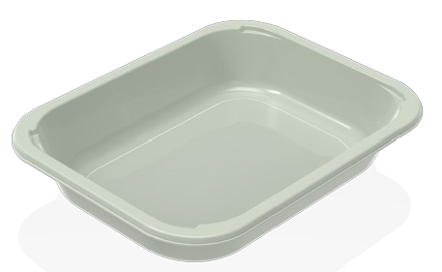 |  |  |  |  | 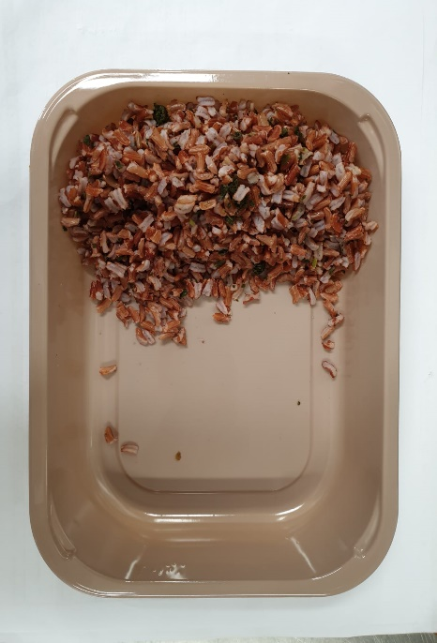

PACK DAY + 1 YEAR NON-MAP PACK

Tray: EVOLVE CPET 2200-1E FROST (PKRHP001-15) |  |  |  |  | Red Rice (MC) (GFF307R): 100g
Film :K Peel 3G 25µm (275mmX1000lm)-PKKMP001-04
STEP 3 |  |  | STEP 4 |  |  |  | STEP 5
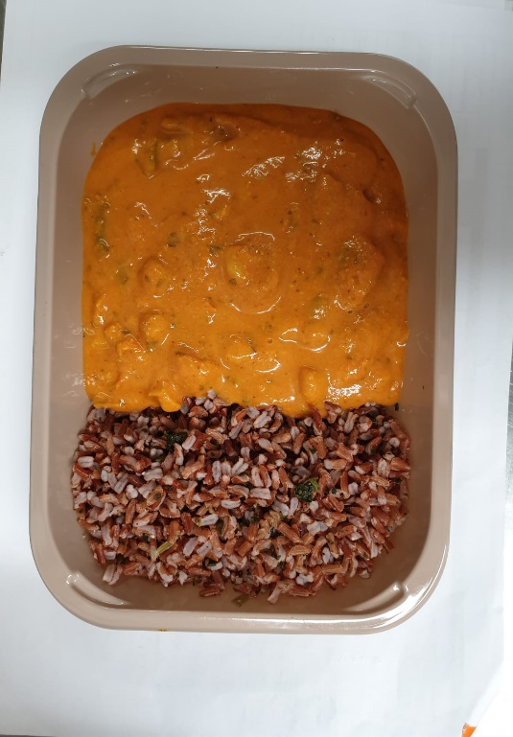 |  |  | 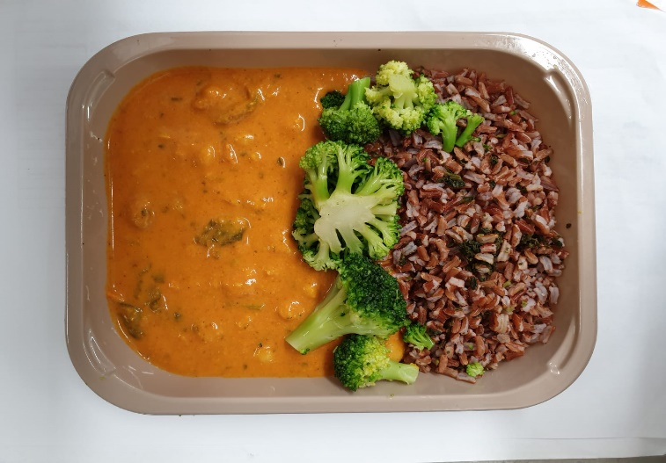

Chickpea Tikka Masala Sauce (MC) (GFF387R): 245g |  |  | Steamed Broccoli Florets (GFF291R): 50g |  |  |  | Coconut Chips RMKLU001-05:5g |  | 400g

ALLERGY ALERT: none

